Figure1
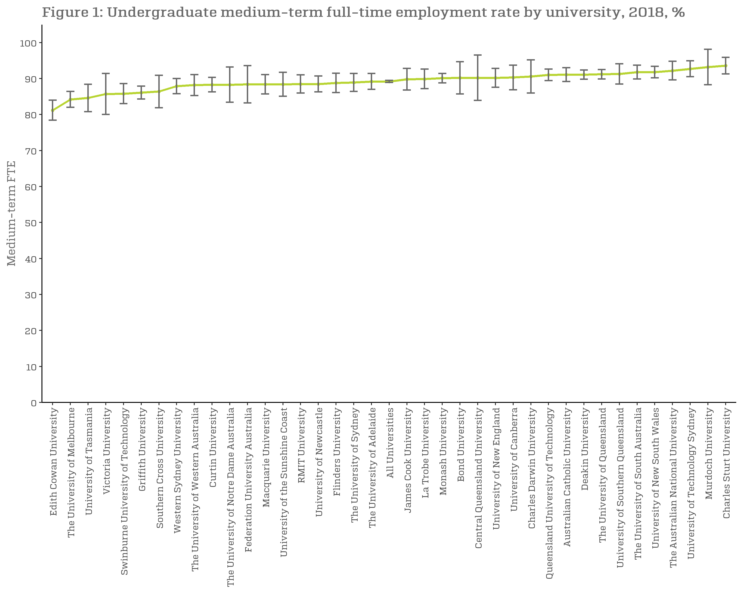
Figure 1: Undergraduate medium-term full-time employment rate by university, 2018, %
 | Medium-term FTE
Edith Cowan University | 81.2 (78.4, 84.1)
The University of Melbourne | 84.2 (82.0, 86.4)
University of Tasmania | 84.6 (80.8, 88.4)
Victoria University | 85.7 (80.0, 91.5)
Swinburne University of Technology | 85.8 (83.0, 88.7)
Griffith University | 86.1 (84.3, 87.9)
Southern Cross University | 86.4 (81.9, 91.0)
Western Sydney University | 87.9 (85.8, 90.0)
The University of Western Australia | 88.2 (85.3, 91.1)
Curtin University | 88.3 (86.3, 90.2)
The University of Notre Dame Australia | 88.3 (83.4, 93.2)
Federation University Australia | 88.4 (83.2, 93.6)
Macquarie University | 88.4 (85.7, 91.1)
University of the Sunshine Coast | 88.4 (85.1, 91.8)
RMIT University | 88.5 (86.0, 91.0)
University of Newcastle | 88.5 (86.3, 90.8)
Flinders University | 88.8 (86.1, 91.4)
The University of Sydney | 88.9 (86.4, 91.3)
The University of Adelaide | 89.2 (87.0, 91.4)
All Universities | 89.2 (88.9, 89.6)
James Cook University | 89.8 (86.8, 92.9)
La Trobe University | 89.9 (87.2, 92.5)
Monash University | 90.1 (88.8, 91.4)
Bond University | 90.2 (85.7, 94.7)
Central Queensland University | 90.2 (83.9, 96.4)
University of New England | 90.2 (87.6, 92.9)
University of Canberra | 90.3 (86.9, 93.7)
Charles Darwin University | 90.6 (86.0, 95.3)
Queensland University of Technology | 91.0 (89.4, 92.6)
Australian Catholic University | 91.1 (89.2, 93.0)
Deakin University | 91.1 (89.8, 92.4)
The University of Queensland | 91.2 (89.9, 92.6)
University of Southern Queensland | 91.3 (88.5, 94.1)
The University of South Australia | 91.8 (89.9, 93.8)
University of New South Wales | 91.8 (90.2, 93.3)
The Australian National University | 92.2 (89.6, 94.9)
University of Technology Sydney | 92.7 (90.5, 94.9)
Murdoch University | 93.2 (88.3, 98.0)
Charles Sturt University | 93.6 (91.3, 95.9)
University of Divinity | n/a

Figure2
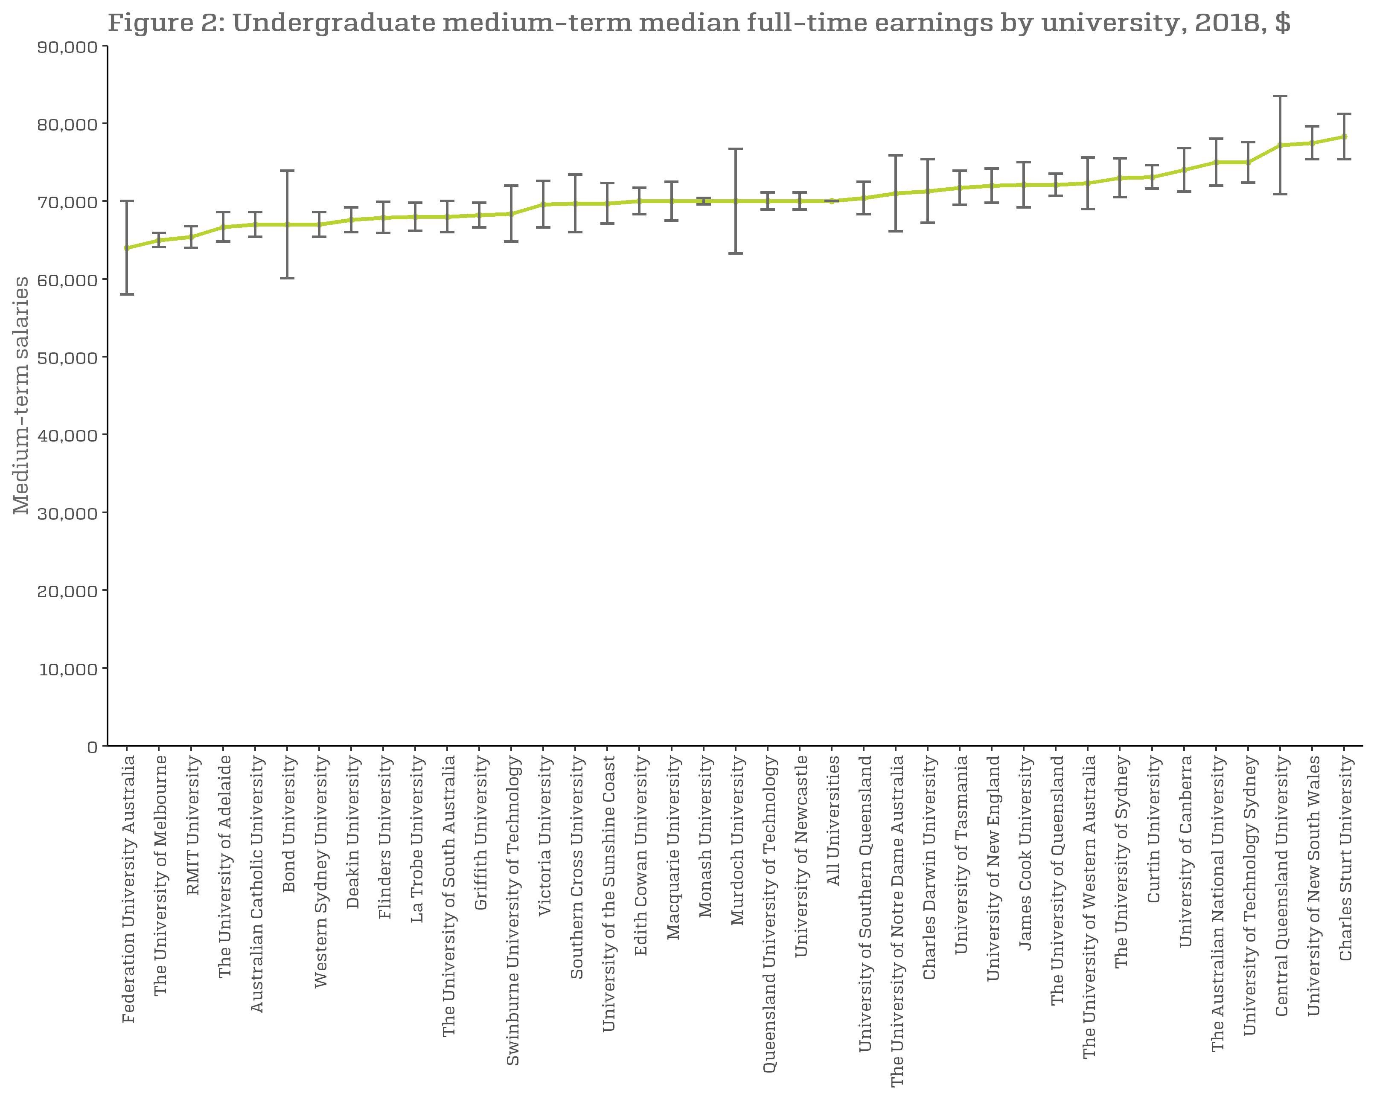
Figure 2: Undergraduate medium-term median full-time earnings by university, 2018, $
 | Medium-term Salaries
University of Divinity | n/a
Federation University Australia | 64,000 (58,000, 70,000)
The University of Melbourne | 65,000 (64,100, 65,900)
RMIT University | 65,400 (64,000, 66,800)
The University of Adelaide | 66,700 (64,800, 68,500)
Australian Catholic University | 67,000 (65,400, 68,600)
Bond University | 67,000 (60,100, 73,900)
Western Sydney University | 67,000 (65,400, 68,600)
Deakin University | 67,600 (66,000, 69,100)
Flinders University | 67,900 (65,900, 69,900)
La Trobe University | 68,000 (66,200, 69,800)
The University of South Australia | 68,000 (66,000, 70,000)
Griffith University | 68,200 (66,600, 69,900)
Swinburne University of Technology | 68,400 (64,800, 72,100)
Victoria University | 69,600 (66,600, 72,500)
Southern Cross University | 69,700 (66,000, 73,400)
University of the Sunshine Coast | 69,700 (67,100, 72,300)
Edith Cowan University | 70,000 (68,300, 71,700)
Macquarie University | 70,000 (67,500, 72,500)
Monash University | 70,000 (69,600, 70,400)
Murdoch University | 70,000 (63,300, 76,700)
Queensland University of Technology | 70,000 (68,900, 71,100)
University of Newcastle | 70,000 (68,900, 71,100)
All Universities | 70,000 (70,000, 70,000)
University of Southern Queensland | 70,400 (68,300, 72,500)
The University of Notre Dame Australia | 71,000 (66,100, 75,800)
Charles Darwin University | 71,300 (67,200, 75,400)
University of Tasmania | 71,700 (69,500, 73,900)
University of New England | 72,000 (69,800, 74,200)
James Cook University | 72,100 (69,200, 75,000)
The University of Queensland | 72,100 (70,700, 73,500)
The University of Western Australia | 72,300 (69,000, 75,500)
The University of Sydney | 73,000 (70,500, 75,500)
Curtin University | 73,100 (71,600, 74,500)
University of Canberra | 74,000 (71,200, 76,800)
The Australian National University | 75,000 (72,000, 78,000)
University of Technology Sydney | 75,000 (72,400, 77,600)
Central Queensland University | 77,200 (70,900, 83,500)
University of New South Wales | 77,500 (75,400, 79,600)
Charles Sturt University | 78,300 (75,400, 81,100)

Figure3
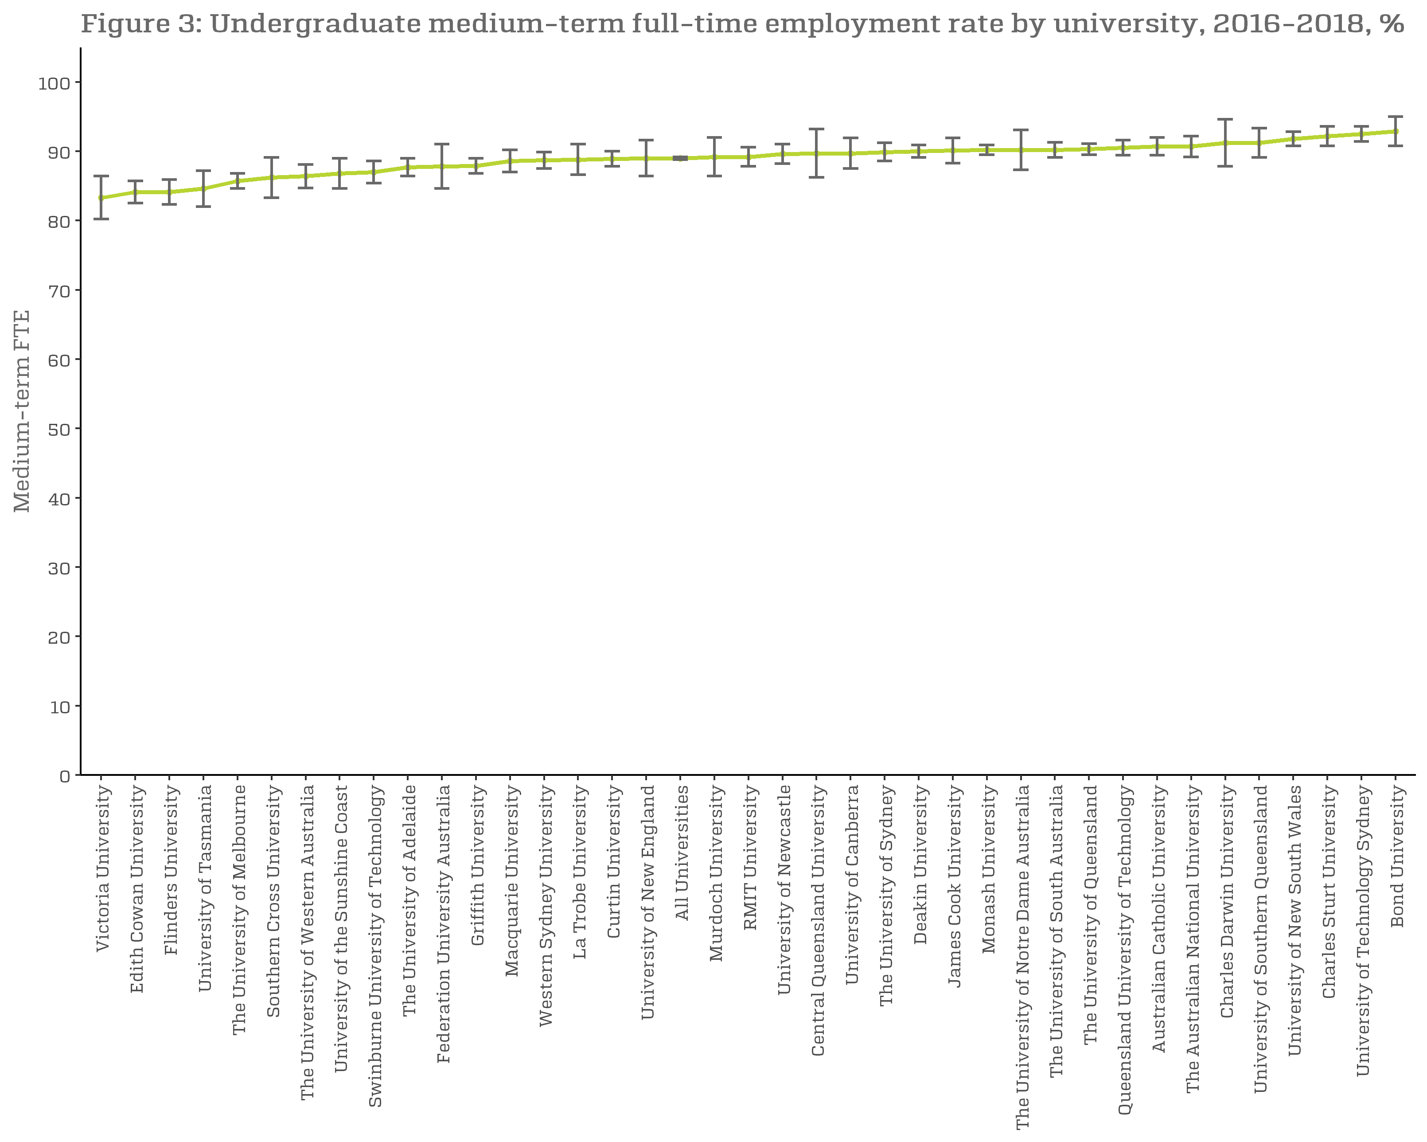
Figure 3: Undergraduate medium-term full-time employment rate by university, 2016-2018, %
 | Medium-term FTE
Victoria University | 83.3 (80.2, 86.4)
Edith Cowan University | 84.1 (82.5, 85.6)
Flinders University | 84.1 (82.3, 85.8)
University of Tasmania | 84.6 (82.0, 87.1)
The University of Melbourne | 85.7 (84.6, 86.8)
Southern Cross University | 86.2 (83.3, 89.1)
The University of Western Australia | 86.4 (84.7, 88.2)
University of the Sunshine Coast | 86.8 (84.6, 89.0)
Swinburne University of Technology | 87.0 (85.4, 88.7)
The University of Adelaide | 87.7 (86.4, 89.0)
Federation University Australia | 87.8 (84.6, 91.1)
Griffith University | 87.9 (86.8, 88.9)
Macquarie University | 88.6 (87.0, 90.2)
Western Sydney University | 88.7 (87.5, 89.9)
La Trobe University | 88.8 (86.6, 91.1)
Curtin University | 88.9 (87.8, 90.0)
University of New England | 89.0 (86.4, 91.6)
All Universities | 89.0 (88.8, 89.3)
Murdoch University | 89.2 (86.4, 91.9)
RMIT University | 89.2 (87.8, 90.6)
University of Newcastle | 89.6 (88.2, 91.0)
Central Queensland University | 89.7 (86.2, 93.1)
University of Canberra | 89.7 (87.5, 91.9)
The University of Sydney | 89.9 (88.6, 91.2)
Deakin University | 90.0 (89.1, 91.0)
James Cook University | 90.1 (88.3, 92.0)
Monash University | 90.2 (89.5, 91.0)
The University of Notre Dame Australia | 90.2 (87.3, 93.1)
The University of South Australia | 90.2 (89.1, 91.4)
The University of Queensland | 90.3 (89.5, 91.2)
Queensland University of Technology | 90.5 (89.4, 91.6)
Australian Catholic University | 90.7 (89.4, 92.0)
The Australian National University | 90.7 (89.2, 92.3)
Charles Darwin University | 91.2 (87.8, 94.5)
University of Southern Queensland | 91.2 (89.1, 93.3)
University of New South Wales | 91.8 (90.8, 92.9)
Charles Sturt University | 92.2 (90.8, 93.6)
University of Technology Sydney | 92.5 (91.4, 93.7)
Bond University | 92.9 (90.8, 95.0)
University of Divinity | n/a

Figure4
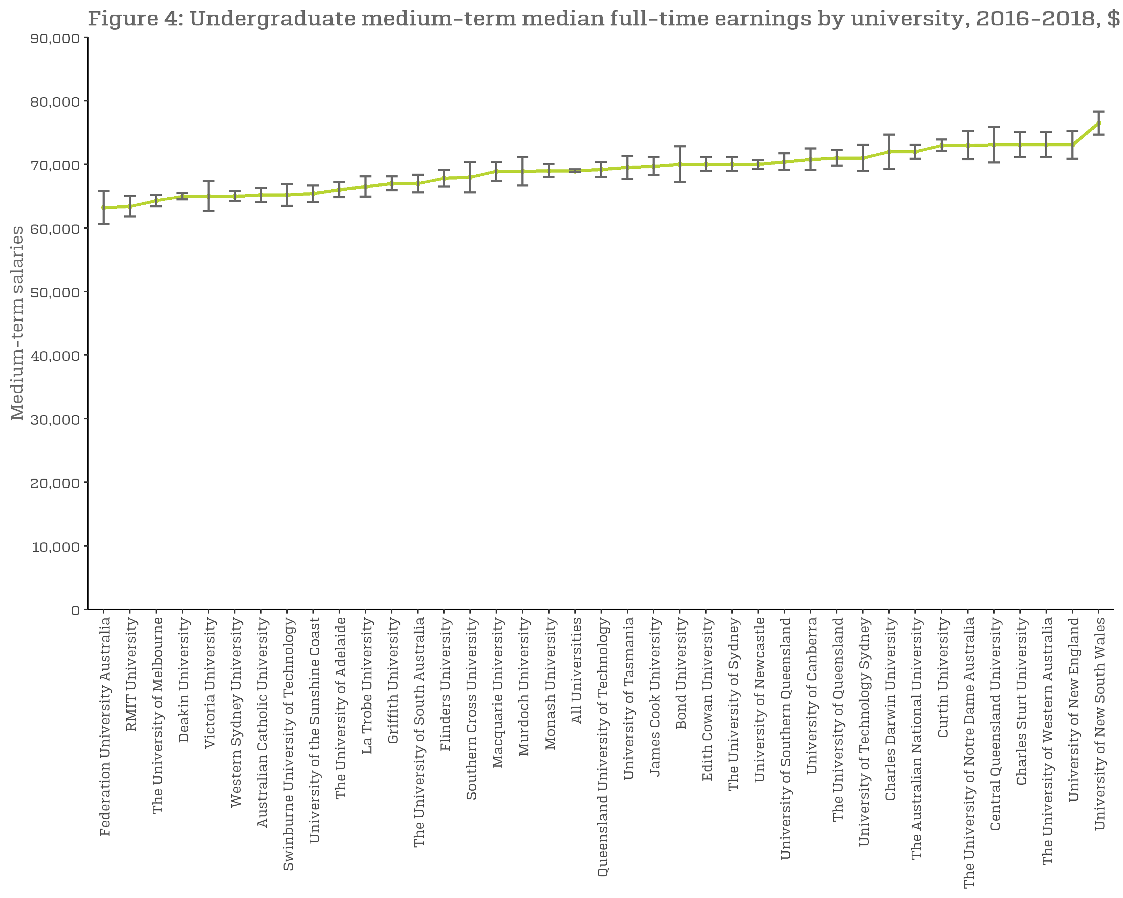
Figure 4: Undergraduate medium-term median full-time earnings by university, 2016-2018, $
 | Medium-term Salaries
University of Divinity | n/a
Federation University Australia | 63,200 (60,600, 65,800)
RMIT University | 63,400 (61,800, 65,100)
The University of Melbourne | 64,300 (63,400, 65,200)
Deakin University | 65,000 (64,500, 65,500)
Victoria University | 65,000 (62,600, 67,400)
Western Sydney University | 65,000 (64,200, 65,800)
Australian Catholic University | 65,200 (64,100, 66,300)
Swinburne University of Technology | 65,200 (63,500, 67,000)
University of the Sunshine Coast | 65,400 (64,100, 66,700)
The University of Adelaide | 66,000 (64,800, 67,200)
La Trobe University | 66,500 (64,900, 68,000)
Griffith University | 67,000 (65,900, 68,100)
The University of South Australia | 67,000 (65,600, 68,400)
Flinders University | 67,800 (66,500, 69,200)
Southern Cross University | 68,000 (65,600, 70,400)
Macquarie University | 68,900 (67,400, 70,500)
Murdoch University | 68,900 (66,700, 71,200)
Monash University | 69,000 (68,000, 70,000)
All Universities | 69,000 (68,800, 69,200)
Queensland University of Technology | 69,200 (68,000, 70,500)
University of Tasmania | 69,500 (67,700, 71,300)
James Cook University | 69,700 (68,300, 71,000)
Bond University | 70,000 (67,200, 72,800)
Edith Cowan University | 70,000 (68,900, 71,100)
The University of Sydney | 70,000 (68,900, 71,100)
University of Newcastle | 70,000 (69,300, 70,700)
University of Southern Queensland | 70,400 (69,100, 71,800)
University of Canberra | 70,800 (69,100, 72,600)
The University of Queensland | 71,000 (69,800, 72,100)
University of Technology Sydney | 71,000 (68,900, 73,100)
Charles Darwin University | 72,000 (69,300, 74,700)
The Australian National University | 72,000 (70,900, 73,100)
Curtin University | 73,000 (72,100, 73,900)
The University of Notre Dame Australia | 73,000 (70,800, 75,200)
Central Queensland University | 73,100 (70,300, 75,800)
Charles Sturt University | 73,100 (71,100, 75,000)
The University of Western Australia | 73,100 (71,100, 75,000)
University of New England | 73,100 (70,900, 75,200)
University of New South Wales | 76,500 (74,700, 78,300)

Figure5
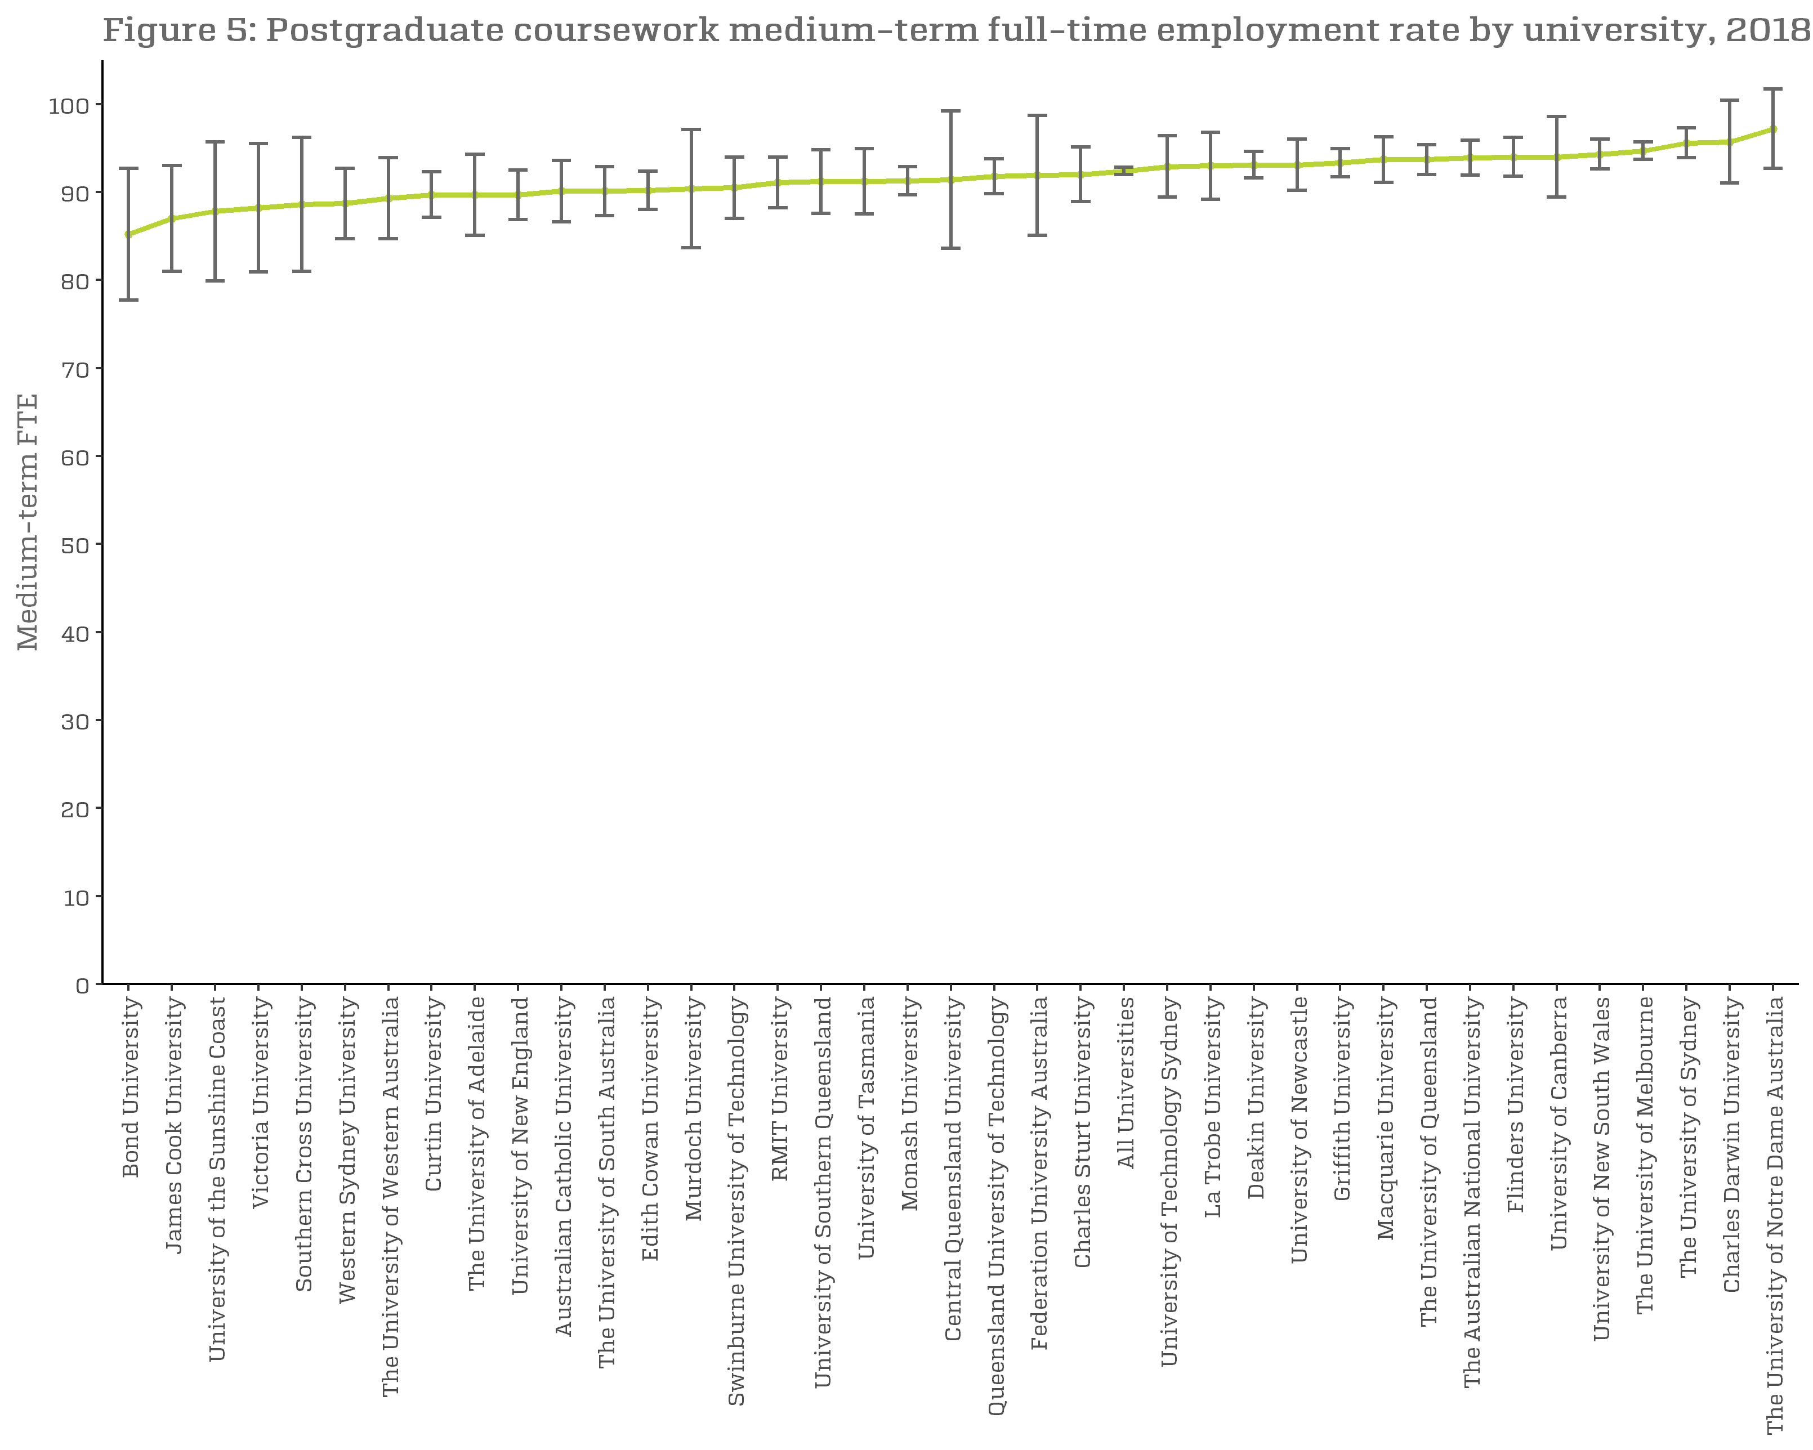
Figure 5: Postgraduate coursework medium-term full-time employment rate by university, 2018, %
 | Medium-term FTE
University of Divinity | n/a
Bond University | 85.2 (77.7, 92.6)
James Cook University | 87.0 (81.0, 93.1)
University of the Sunshine Coast | 87.8 (79.9, 95.7)
Victoria University | 88.2 (80.9, 95.6)
Southern Cross University | 88.6 (81.0, 96.3)
Western Sydney University | 88.7 (84.7, 92.8)
The University of Western Australia | 89.3 (84.7, 93.8)
Curtin University | 89.7 (87.1, 92.2)
The University of Adelaide | 89.7 (85.1, 94.4)
University of New England | 89.7 (86.9, 92.5)
Australian Catholic University | 90.1 (86.6, 93.6)
The University of South Australia | 90.1 (87.3, 92.9)
Edith Cowan University | 90.2 (88.0, 92.5)
Murdoch University | 90.4 (83.7, 97.0)
Swinburne University of Technology | 90.5 (87.0, 94.0)
RMIT University | 91.1 (88.2, 94.0)
University of Southern Queensland | 91.2 (87.6, 94.8)
University of Tasmania | 91.2 (87.5, 94.8)
Monash University | 91.3 (89.7, 93.0)
Central Queensland University | 91.4 (83.6, 99.2)
Queensland University of Technology | 91.8 (89.8, 93.8)
Federation University Australia | 91.9 (85.1, 98.7)
Charles Sturt University | 92.0 (88.9, 95.2)
All Universities | 92.4 (92.0, 92.8)
University of Technology Sydney | 92.9 (89.4, 96.4)
La Trobe University | 93.0 (89.2, 96.8)
Deakin University | 93.1 (91.6, 94.6)
University of Newcastle | 93.1 (90.2, 96.1)
Griffith University | 93.3 (91.7, 94.9)
Macquarie University | 93.7 (91.1, 96.4)
The University of Queensland | 93.7 (92.0, 95.5)
The Australian National University | 93.9 (91.9, 95.8)
Flinders University | 94.0 (91.8, 96.1)
University of Canberra | 94.0 (89.4, 98.6)
University of New South Wales | 94.3 (92.6, 95.9)
The University of Melbourne | 94.7 (93.7, 95.6)
The University of Sydney | 95.6 (93.9, 97.4)
Charles Darwin University | 95.7 (91.0, 100.0)
The University of Notre Dame Australia | 97.2 (92.7, 100.0)

Figure6
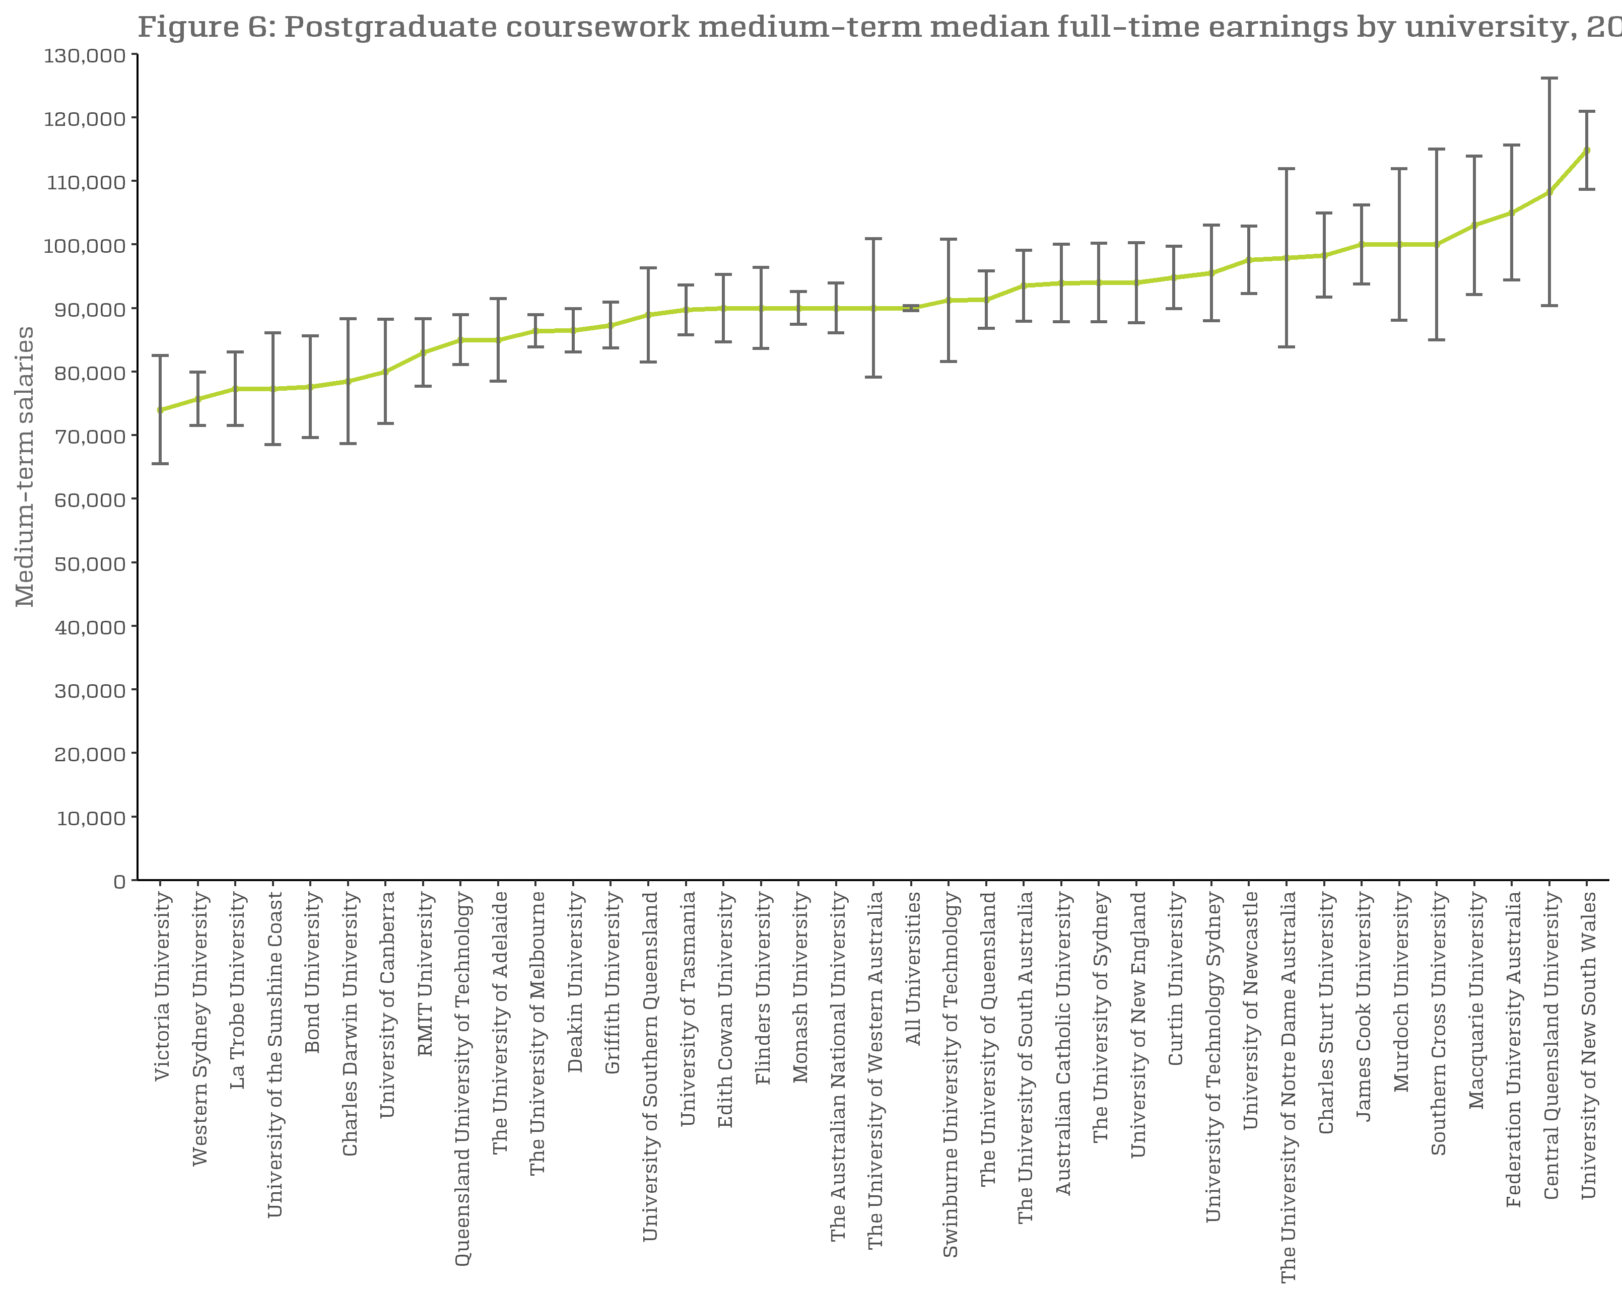
Figure 6: Postgraduate coursework medium-term median full-time earnings by university, 2018, $
 | Medium-term Salaries
University of Divinity | n/a
Victoria University | 74,000 (65,500, 82,500)
Western Sydney University | 75,700 (71,500, 79,800)
La Trobe University | 77,300 (71,500, 83,100)
University of the Sunshine Coast | 77,300 (68,500, 86,100)
Bond University | 77,600 (69,600, 85,600)
Charles Darwin University | 78,500 (68,700, 88,400)
University of Canberra | 80,000 (71,800, 88,200)
RMIT University | 83,000 (77,700, 88,300)
Queensland University of Technology | 85,000 (81,100, 88,900)
The University of Adelaide | 85,000 (78,500, 91,500)
The University of Melbourne | 86,400 (83,900, 88,800)
Deakin University | 86,500 (83,100, 90,000)
Griffith University | 87,300 (83,700, 91,000)
University of Southern Queensland | 88,900 (81,500, 96,200)
University of Tasmania | 89,700 (85,800, 93,700)
Edith Cowan University | 90,000 (84,700, 95,300)
Flinders University | 90,000 (83,600, 96,400)
Monash University | 90,000 (87,400, 92,600)
The Australian National University | 90,000 (86,100, 93,900)
The University of Western Australia | 90,000 (79,100, 100,900)
All Universities | 90,000 (89,600, 90,400)
Swinburne University of Technology | 91,200 (81,600, 100,800)
The University of Queensland | 91,300 (86,800, 95,800)
The University of South Australia | 93,500 (87,900, 99,100)
Australian Catholic University | 93,900 (87,800, 100,000)
The University of Sydney | 94,000 (87,800, 100,200)
University of New England | 94,000 (87,700, 100,300)
Curtin University | 94,800 (89,900, 99,700)
University of Technology Sydney | 95,500 (88,000, 103,000)
University of Newcastle | 97,600 (92,300, 102,900)
The University of Notre Dame Australia | 97,900 (83,900, 111,800)
Charles Sturt University | 98,300 (91,700, 104,800)
James Cook University | 100,000 (93,800, 106,200)
Murdoch University | 100,000 (88,100, 111,900)
Southern Cross University | 100,000 (85,000, 115,000)
Macquarie University | 103,000 (92,100, 113,900)
Federation University Australia | 105,000 (94,400, 115,600)
Central Queensland University | 108,300 (90,400, 126,100)
University of New South Wales | 114,800 (108,700, 120,900)

Figure7
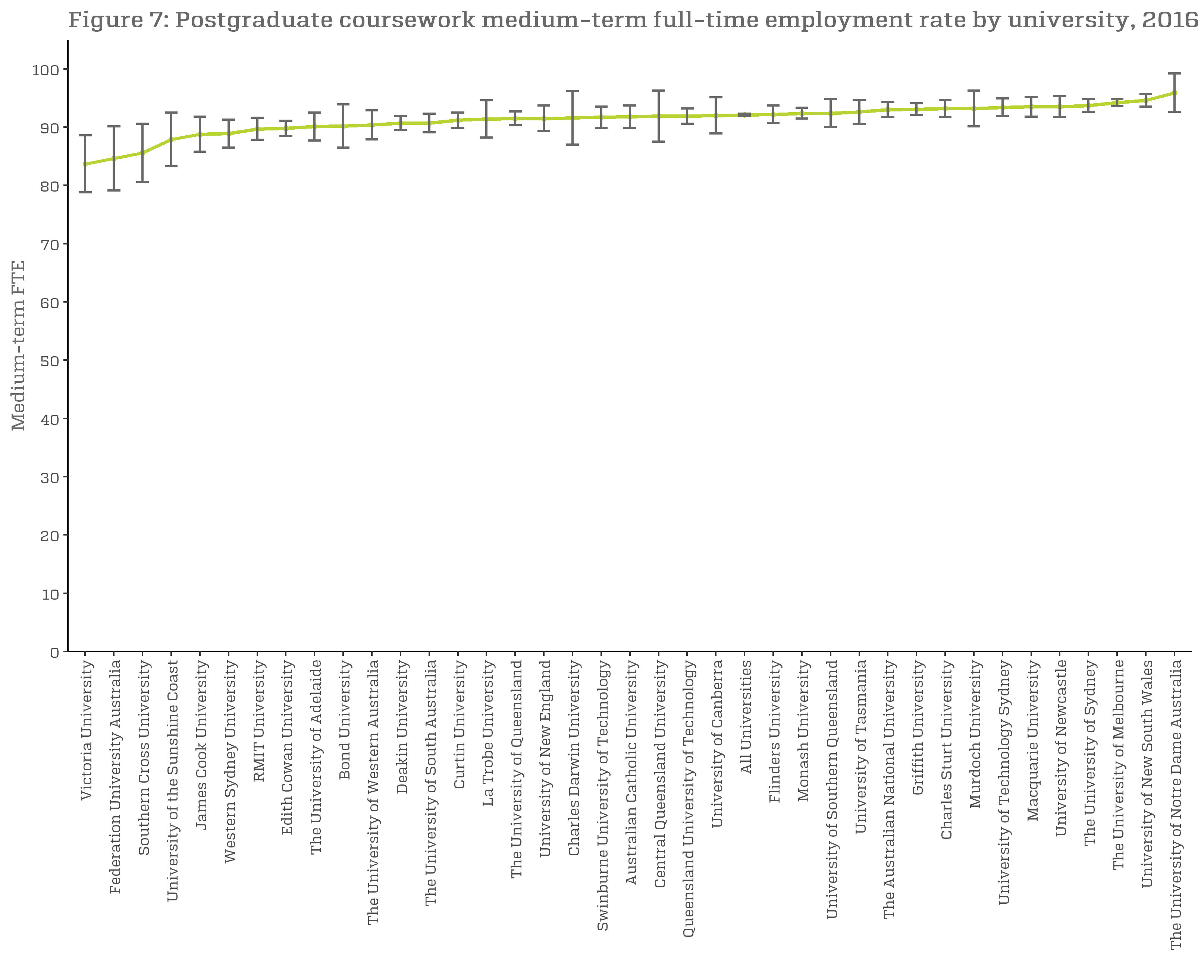
Figure 7: Postgraduate coursework medium-term full-time employment rate by university, 2016-2018, %
 | Medium-term FTE
Victoria University | 83.7 (78.8, 88.6)
Federation University Australia | 84.6 (79.1, 90.1)
Southern Cross University | 85.6 (80.6, 90.6)
University of the Sunshine Coast | 87.9 (83.3, 92.5)
James Cook University | 88.8 (85.8, 91.8)
Western Sydney University | 88.9 (86.5, 91.3)
RMIT University | 89.7 (87.8, 91.5)
Edith Cowan University | 89.8 (88.5, 91.2)
University of Divinity | n/a
The University of Adelaide | 90.1 (87.7, 92.6)
Bond University | 90.2 (86.5, 93.9)
The University of Western Australia | 90.4 (87.9, 93.0)
Deakin University | 90.7 (89.5, 91.8)
The University of South Australia | 90.7 (89.1, 92.3)
Curtin University | 91.2 (89.9, 92.5)
La Trobe University | 91.4 (88.2, 94.5)
The University of Queensland | 91.5 (90.3, 92.8)
University of New England | 91.5 (89.3, 93.8)
Charles Darwin University | 91.6 (87.0, 96.2)
Swinburne University of Technology | 91.7 (89.9, 93.5)
Australian Catholic University | 91.8 (89.9, 93.7)
Central Queensland University | 91.9 (87.5, 96.3)
Queensland University of Technology | 91.9 (90.6, 93.2)
University of Canberra | 92.0 (88.9, 95.1)
All Universities | 92.1 (91.9, 92.4)
Flinders University | 92.2 (90.7, 93.7)
Monash University | 92.4 (91.5, 93.3)
University of Southern Queensland | 92.4 (90.0, 94.7)
University of Tasmania | 92.6 (90.5, 94.7)
The Australian National University | 93.0 (91.7, 94.3)
Griffith University | 93.1 (92.1, 94.2)
Charles Sturt University | 93.2 (91.7, 94.8)
Murdoch University | 93.2 (90.1, 96.2)
University of Technology Sydney | 93.4 (91.9, 94.9)
Macquarie University | 93.5 (91.8, 95.1)
University of Newcastle | 93.5 (91.7, 95.4)
The University of Sydney | 93.7 (92.6, 94.9)
The University of Melbourne | 94.2 (93.6, 94.8)
University of New South Wales | 94.6 (93.5, 95.7)
The University of Notre Dame Australia | 95.9 (92.6, 99.1)

Figure8
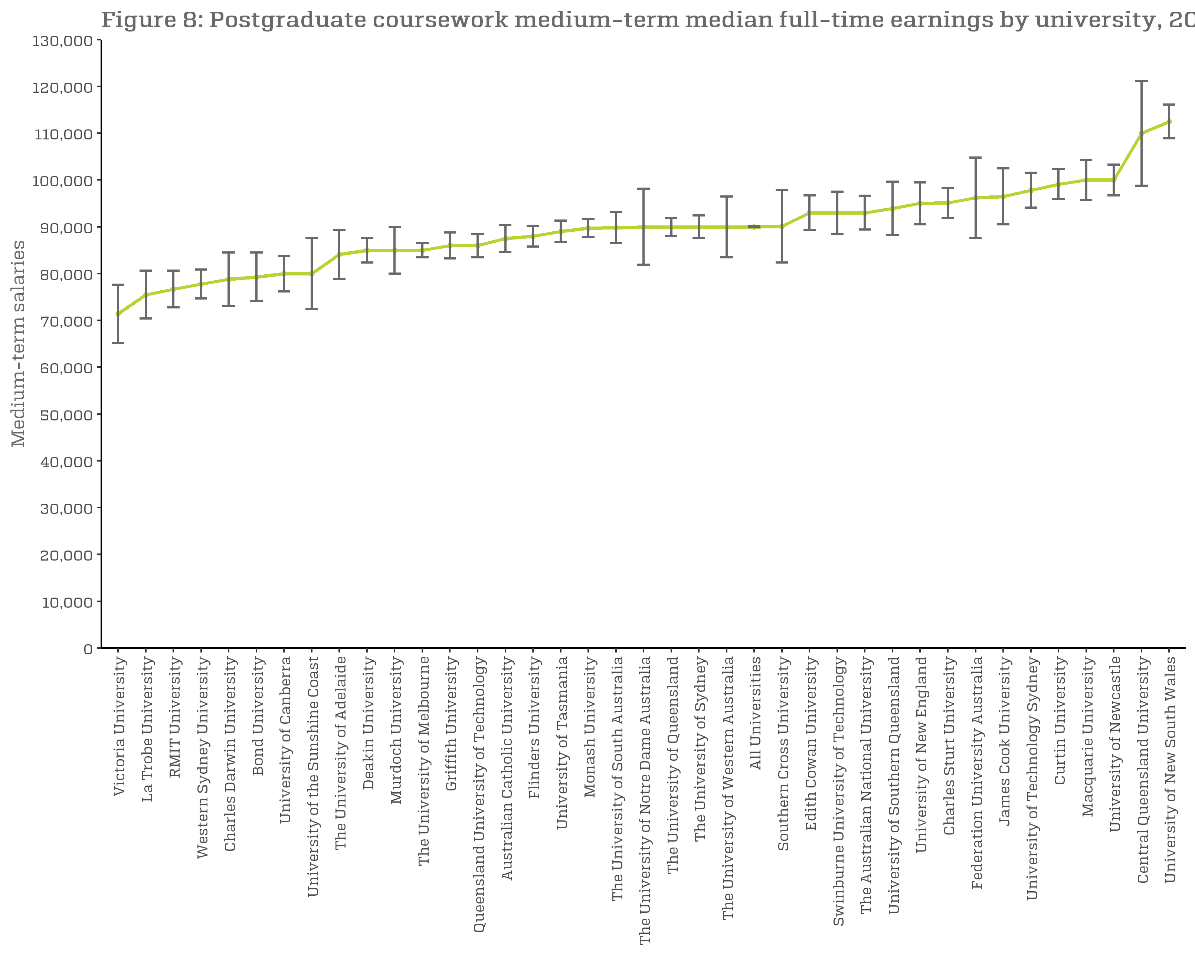
Figure 8: Postgraduate coursework medium-term median full-time earnings by university, 2016-2018, $
 | Medium-term Salaries
University of Divinity | n/a
Victoria University | 71,400 (65,200, 77,600)
La Trobe University | 75,500 (70,400, 80,600)
RMIT University | 76,700 (72,800, 80,600)
Western Sydney University | 77,800 (74,700, 80,800)
Charles Darwin University | 78,800 (73,100, 84,500)
Bond University | 79,300 (74,100, 84,500)
University of Canberra | 80,000 (76,200, 83,800)
University of the Sunshine Coast | 80,000 (72,400, 87,600)
The University of Adelaide | 84,100 (78,900, 89,200)
Deakin University | 85,000 (82,400, 87,600)
Murdoch University | 85,000 (80,000, 90,000)
The University of Melbourne | 85,000 (83,500, 86,500)
Griffith University | 86,000 (83,200, 88,800)
Queensland University of Technology | 86,000 (83,500, 88,500)
Australian Catholic University | 87,500 (84,600, 90,300)
Flinders University | 88,000 (85,800, 90,200)
University of Tasmania | 89,000 (86,700, 91,300)
Monash University | 89,700 (87,800, 91,700)
The University of South Australia | 89,800 (86,500, 93,000)
The University of Notre Dame Australia | 90,000 (81,900, 98,100)
The University of Queensland | 90,000 (88,100, 91,900)
The University of Sydney | 90,000 (87,600, 92,400)
The University of Western Australia | 90,000 (83,500, 96,500)
All Universities | 90,000 (89,900, 90,100)
Southern Cross University | 90,100 (82,400, 97,900)
Edith Cowan University | 93,000 (89,300, 96,700)
Swinburne University of Technology | 93,000 (88,500, 97,500)
The Australian National University | 93,000 (89,400, 96,600)
University of Southern Queensland | 93,900 (88,200, 99,700)
University of New England | 95,000 (90,500, 99,500)
Charles Sturt University | 95,100 (91,900, 98,300)
Federation University Australia | 96,200 (87,600, 104,900)
James Cook University | 96,500 (90,500, 102,400)
University of Technology Sydney | 97,800 (94,100, 101,400)
Curtin University | 99,100 (95,900, 102,200)
Macquarie University | 100,000 (95,700, 104,300)
University of Newcastle | 100,000 (96,700, 103,300)
Central Queensland University | 110,000 (98,800, 121,200)
University of New South Wales | 112,500 (108,900, 116,100)

